Q #6
RF Teng Perkins - 6 |  |  |  |  | Solution ->

 | Given the following for a set of retrospectively rated workers compensation policies:

 |  | Retro Adj. Period | % Loss Emerged | Incremental Loss Capping Ratio

 |  | First | 80% | 0.90
 |  | Second | 10% | 0.75
 |  | Third | 8% | 0.60
 |  | Fourth | 2% | 0.50

$PDLD_{1}$ =
 | • ELR = |  |  | 80%
 | • Standard premium = |  |  | $10,000
 | • |  |  | 1.495
$PDLD_{2}$ =
 | • |  |  | 0.975
 | • LCF = |  |  | 1.25
 | • Total current booked premium = |  |  | $9,000
 | • None of the policies has yet had its first retro adjustment

 | Estimate the premium asset.

SHOW ALL WORK.

Q #7
RF Teng Perkins - 7 |  |  | Solution ->

 | • LCF = | 1.25
 | • TM = | 1.04
 | • Losses emerged at the first retro adjustment = | $8,000
$C_{1}/L_{1}$ =
 | • | 0.95
 | • Expense Provision = | $500
 | • Net insurance charge + excess loss charge = | $1,000

 | a.
 | Calculate the premium at the first retro adjustment.

 | b.
 | What does the net insurance charge represent?

SHOW ALL WORK.

2017 #18
 | Source: | Spring 2017 | Exam 7 | Q #18 | Solution ->
 | Points: | 2.00

 |  | In evaluating the premium asset for a property and casualty insurance company’s book of
 |  | retrospectively rated policies as of December 31, 2016, the following methods have been
 |  | considered:

 |  | • Chain ladder development method on historical triangles of earned premium using Part 6
 |  | of Schedule P.
 |  | • Fitzgibbon’s Linear Regression method, which produced the following graph:
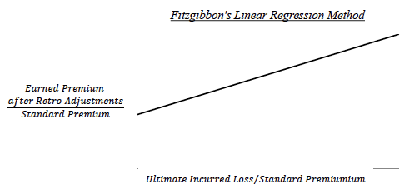

 |  | • Premium Development to Loss Development (PDLD) method using the retro formula
 |  | and average retro parameters, which produced the following graph:
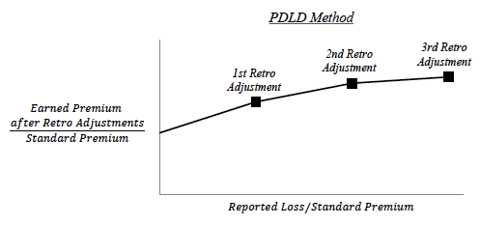

a. | 0.5 point | Briefly describe one advantage and one disadvantage of using the chain ladder
 |  | development method on historical earned premium triangles.

b. | 0.25 point | Briefly describe one disadvantage of using Fitzgibbon’s linear regression method.

c. | 0.25 point | Explain why the slope factor in Fitzgibbon’s linear regression method is typically not
 |  | exactly unity.

d. | 0.5 point | Briefly describe one advantage and one disadvantage of using the PDLD method.

e. | 0.5 point | Explain why the slopes differ between Fitzgibbon’s linear regression method and the
 |  | PDLD method.

SHOW ALL WORK.

